DESCRIBING SHEET
DESCRIBING SHEET

 |  | STYLE | BANFF 3 IN 1 JKT W |  | REF | EIV4439 | FABRIC | DEFENDER DISCOVERY + MOTLEY

 |  | RANGE | WIDE ANGLE SERIES |  | SEASON | FW18/19 | SUPPLIER | PRIMA

Created on | 2017-05-31 | EIDER CONTACT | SYLVIE/MONIKA |  | SIZES | NEW Women top: XS - S - M - L - XL - XXL | STATUS | NEW

Revised on | 1st proto comments on 06/07/17 |  |  | 23/01/18 comments on SMS

BASE PATTERN: | REGULAR VD18H1 without waist darts, new 1/2 waist measure = 486.96. / + 3 cm at middle back length |  |  |  |  |  | WEIGHT

Removable hood with snaps + zipper + flap to hide zipper
Same Plug In design as FW1718
1 adjustment at back
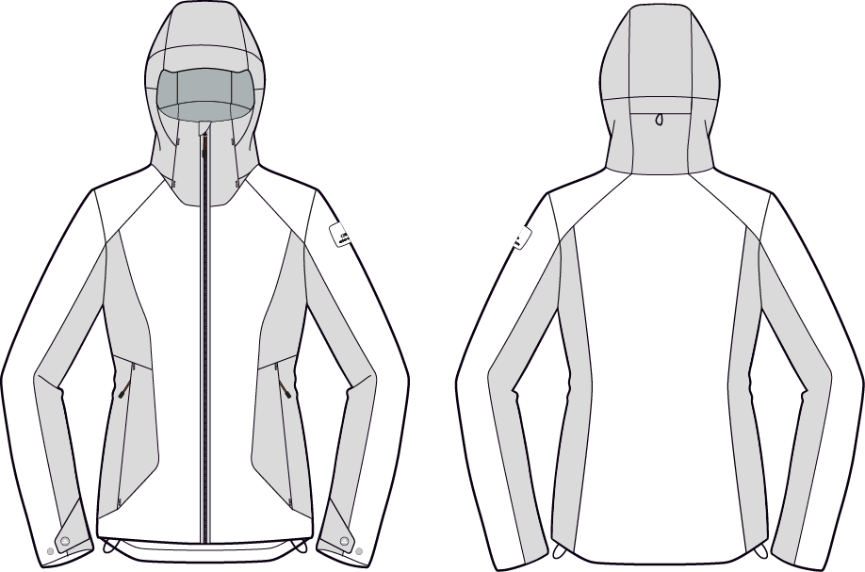
Back hood adjustment under flap

Defender logo: now placed on the CF stormflap
NO VISIBLE TOPSTITCHINGS

NEW EIDER RUBBER PLATE

CF opening with double piping and visible zipper teeth + stormflap inside

Zipped hand pockets under flap

Cuff flaps with snaps
Adjustable bottom hem

Back is 2 cm longer than front

INNER JACKET

 |  |  |  |  |  |  |  | SPECIAL COLLAR SHAPE
 |  |  |  |  |  |  |  | SEE PICTURE BELOW

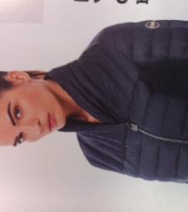

VISIBLE ZIPPED FRONT OPENING
CONNEXION TO OUTER JACKET
3 CONNEXION LOOPS (BACK COLLAR+CUFFS) WITH OUTER JACKET

EIDER RUBBER PLATE

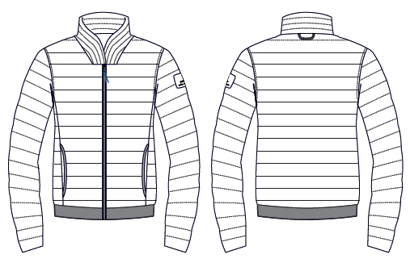
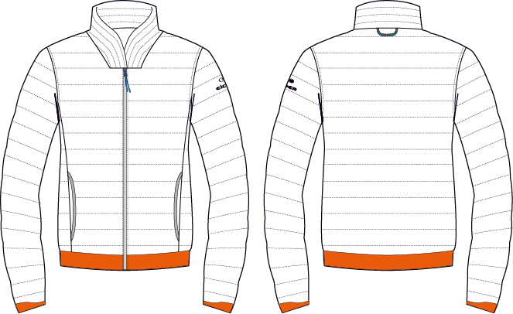

OLD SKETCH

QUILTING
FAKE DOWN PADDING

HAND POCKETS, NO ZIPPER
BIAS FINISHING

STRONG & LARGE ELASTIC)
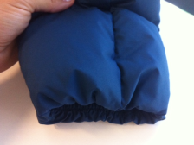

DOUBLE ELASTICATED YARN INSIDE

COLOURWAYS
COLOUR RANGE

STYLE |  | BANFF 3 IN 1 JKT W |  | REF |  | EIV4439 | FABRIC | DEFENDER DISCOVERY + MOTLEY

RANGE |  | WIDE ANGLE SERIES |  | SEASON |  | FW18/19 | SUPPLIER | PRIMA

COLOUR CODE | STATUS |  | COLOUR NAME |  | QT A LANCER
8626 |  |  | BLUE MORPHO
6623 |  |  | DARK NIGHT

 |  |  |  |  | 0
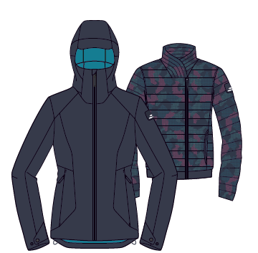

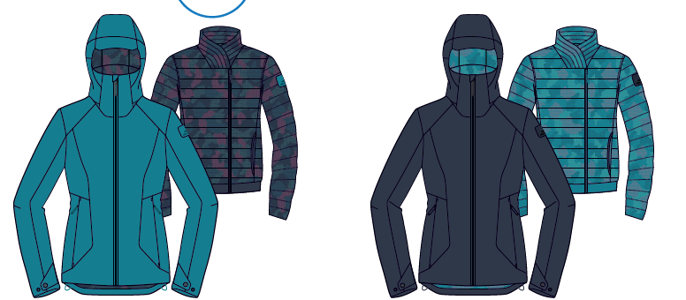

 |  |  | DARK NIGHT

FABRIC
FABRICS

STYLE |  | BANFF 3 IN 1 JKT W |  |  | REF |  | EIV4439 |  | FABRIC | DEFENDER DISCOVERY + MOTLEY

RANGE |  | WIDE ANGLE SERIES |  |  | SEASON |  | FW18/19 |  | SUPPLIER | PRIMA

OUTER JACKET
 |  |  |  |  |  | BLUE MORPHO |  | DARK NIGHT
 |  |  |  |  |  | 8626 |  | 6623
 | REFERENCE |  |  | PLACE |  | COLOURS
FABRIC 1 | Name : | DEFENDER® LIBOLON | T1 | MAIN SHELL (EXCEPT YOKES NEXT TO LEFT HAND AND SLEEVE POCKETS) |  | AQUAMARINE |  | DARK NIGHT
 | supplier : | LIBOLON
 | Fabric ref : | 06302 10K/10K
 | Compo : | 88% PES 12% PU// 100% TPU // 0
 | width: | 56"
 | Weight:
FABRIC 2 | Name : | DEFENDER®H+ MOTLEY DULL | T2 | HOOD + BODY SIDES + UNDER SLEEVES |  | AQUAMARINE |  | DARK NIGHT
 | supplier : | FLYING TEX
 | Fabric ref : | PFW017N35
 | Compo : | 100% PES// 100% TPU // 0
 | width: | 56"
 | Weight: | 162g/m2

LINING | Name : | NYLON DOWNPROOF PLANET |  | HOOD + FRONT BODY + BACK SIDES |  | DARK NIGHT |  | BLUE MORPHO
 | supplier : | CAROLTEX 8093LDF3
 | Name : | 210T NYLON |  | SLEEVES + INNER POCKET BAG + CARE LABEL POCKET |  | BLACK |  | BLACK
 | supplier : | LOCAL SOURCING

POCKETS | Name : | MICROMAX / POLYTRICOT |  | HAND POCKETS |  | BLACK |  | BLACK
 | supplier : | LOCAL SOURCING
 | reference:
 | Name : | NYLON |  | INNER POCKET |  | BLACK |  | BLACK
 | supplier : | LOCAL SOURCING
 | reference:

WATERPROOFNESS | SEALED SEAMS |  |  | ALL SEAMS

THREADS | TOPSTITCHING |  |  | ALL
 | BARTACKS |  |  | ALL

INNER JACKET
FABRIC 1 | Name : | DOWNPROOF PLANET PRINT | T1 | MAIN SHELL |  | DARK NIGHT / CANDY PINK CAMO |  | DARK NIGHT
 | supplier : | CAROLTEX
 | Fabric ref : | 8093LDF3 + PRINT
 | Compo :
 | width:
 | Weight:
FABRIC 2 | Name : | SPACER | T2 | BOTTOM OF BODY + BOTTOM SLEEVES
 | supplier : | LOCAL SOURCING
CANCELLED, REPLACED BY A LARGE ELASTIC / NOMINATED TRIMS
 | Fabric ref :
PLEASE MAKE SUGGESTION IN LOCAL
SOURCING WITHOUT ANY MOQ
 | Compo :
 | width:
 | Weight:

LINING | Name : | DOWNPROOF PLANET |  | - BODY |  | DARK NIGHT |  | AQUAMARINE
 | supplier : | CAROLTEX 8093LDF3
 | Name : | 210T NYLON |  | - SLEEVES |  | BLACK |  | BLACK
 | supplier : | LOCAL SOURCING
 | Name : | MICROMAX - (polytricot approved 03/08/2016) |  | - POCKETS BAGS |  | BLACK |  | BLACK
 | supplier : | LOCAL SOURCING

INSULATION | Name : | FAKE DOWN |  | - BODY - SLEEVES
 | supplier : | LOCAL SOURCING
 | reference:
 | weight:
 | Name : | E LOFT |  | - HOOD
 | supplier : | LOCAL SOURCING
 | reference:
 | weight: | 60GR
 | Name : | E LOFT |  | - COLLAR
 | supplier : | LOCAL SOURCING
 | reference:
 | weight: | 60GR -> 120G

THREADS | TOPSTITCHING |  |  | ALL |  | MATCHING |  | MATCHING
 | BARTACKS |  |  | ALL |  | MATCHING |  | MATCHING

ACCESSORIES
ACCESSORIES

STYLE | BANFF 3 IN 1 JKT W |  |  | REF | EIV4439 |  |  |  | FABRICS | DEFENDER DISCOVERY + MOTLEY

RANGE | WIDE ANGLE SERIES |  |  | SEASON | FW18/19 |  |  |  | SUPPLIER | PRIMA

PICTURE |  | REF. | PLACE |  |  | QTY | COLOURS
 |  |  |  |  |  |  | BLUE MORPHO | DARK NIGHT
 |  |  |  |  |  |  | 8626 | 6623
ZIPPERS
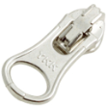
 |  | METALLUX ZIPPER/ ANTIC SILVER FINISHING
 |  | 5MM | FRONT OPENING |  |  | 1 | BLUE MORPHO | DARK NIGHT
 |  | AUTOLOCK, OPEN END |  |  |  |  | YKK 020 | YKK 169
 |  | 1 WAY, DALH SLIDER
 |  | SUPPLIER : YKK
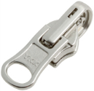

 |  | 5MM REVERSIBLE VISLON | FOR IAS SYSTEM |  |  | 1
 |  | OPEN END, 1 WAY |  |  |  |  | BLUE MORPHO | DARK NIGHT
 |  | DU SLIDER |  |  |  |  | YKK 020 | YKK 169
 |  | SUPPLIER : YKK

 |  | REVERSED COIL ZIP
 |  | 3MM | INNER POCKET |  |  | 1
 |  | NON LOCK, CLOSE END | HAND POCKETS |  |  | 2 | BLUE MORPHO | DARK NIGHT
 |  | 1 WAY, DFBW SLIDER |  |  |  |  | YKK 020 | YKK 169
 |  | SUPPLIER : YKK

 |  | COIL ZIP
 |  | 3MM | REMOVABLE HOOD |  |  | 1 | BLUE MORPHO | DARK NIGHT
 |  | AUTOLOCK, OPEN END | 12 CM |  |  |  | YKK 020 | YKK 169
 |  | 1 WAY, DA SLIDER
 |  | SUPPLIER : YKK
OTHER TRIMS

 |  | RUBBER PULLER
 |  | Ref: EIW18-03 | CENTER FRONT OPENING |  |  | 1 | BLUE MORPHO | DARK NIGHT

 |  | PULLER RUBBER
 |  | Ref: EIS19-05 | HAND POCKETS |  |  | 2 | BLUE MORPHO | DARK NIGHT
 |  | Supplier : Dragon times

 |  | DRAWSTRING OUTDOOR
 |  | Ref: EW026 | HOOD |  |  | 1 | BLUE MORPHO | DARK NIGHT
 |  | Supplier: YF Zipper
 |  | 0,2CM
 |  | ELASTIC
final length = 4cm
 |  | DRAWCORD
 |  | Ref: EIS15U-XMCO01
 |  | Supplier: YF Zipper | INNER POCKET |  |  | 1 | BLUE MORPHO | DARK NIGHT

 |  | NOT ELASTIC

 |  | COLORED PEARL | BACK HOOD
 |  | EIS15U-XMPER01
 |  | Supplier: Unitex |  |  |  | 1 | BLUE MORPHO | DARK NIGHT

 |  | RUBBER STOPPER
 |  | Ref: EIS15U-XMSTP01
 |  | Supplier: Unitex | BACK HOOD |  |  | 1 | BLUE MORPHO | DARK NIGHT

 |  | COLORED WEBBING
 |  | Ref: EIS15U-XMTRE01 | FRONT HOOD |  |  | 1 | BLUE MORPHO | DARK NIGHT
 |  | Supplier: YF Zipper | BACK HOOD

 |  | TO HOLD STOPPERS

 |  | EYELET 12MM | BACK HOOD
 |  | LOCAL SOURCING |  |  |  | 1 | BLUE MORPHO | DARK NIGHT

 |  | SMALL PLASTIC SNAP | REMOVABLE HOOD |  |  | 4
 |  | Ref : EIW16-16 | CUFF FLAPS |  |  | 2 + 4 | BLUE MORPHO | DARK NIGHT
 |  | Supplier : UNITEX
 |  | 12MM | 3 IN 1 CONNECTION / 3 POINTS |  |  | 3

 |  | EIDER HANGLOOP
 |  | Ref : EIW18-01 | HANGLOOP AT COLLAR
 |  | Supplier : 'YF ZIPPER |  |  |  | 1 | BLUE MORPHO/ DARK NIGHT/ WHITE | BLUE MORPHO/ DARK NIGHT/ WHITE
 |  | 4mm diameter

LABELS
 |  | NEW RUBBER PLATE Ref: EIW18-14 Supplier : Clotex 35 MM x 35 MM | SEWN ON LEFT SHOULDER OF OUTSIDE JACKET |  |  | 1

 |  |  |  |  |  |  | BLUE MORPHO | DARK NIGHT
 |  |  |  |  |  |  | AQUAMARINE

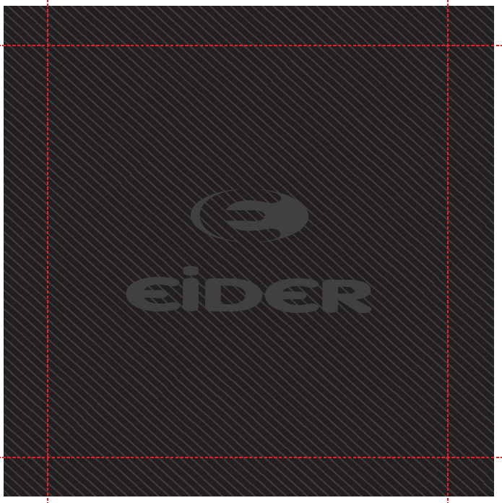
 |  | WOVEN BIG LABEL
 |  | Ref: EIW18-11 | SEWN INSIDE BACK |  |  | 1 | BLACK | BLACK
 |  | Supplier: SML
 |  | 120x120mm

 |  | WOVEN HANGLOOP EIDER
 |  | Ref: EIW15-07 | INSIDE COLLAR |  |  | 1 | BLACK | BLACK
 |  | Supplier: SML

 |  | SIZE WOVEN LABEL MMG
 |  | ALPHA WOMEN TOP | INSIDE COLLAR UNDER HANGLOOP |  |  | 1 | BLACK | BLACK
 |  | Supplier: SML
 |  | Ref: LWS18-04
 |  | WITH RN + CA NUMBERS

 |  | CANADIAN LABEL
 |  | FOR PADDING | INSIDE LEFT |  |  | 1 | WHITE | WHITE
 |  | local sourcing


 |  | SATIN CARE LABEL | UNDER SNOW SKIRT, LEFT SIDE |  |  | 1
 |  | Ref Label 1: SMLCL1 | AT 16CM FROM THE BOTTOM |  |  |  | WHITE | WHITE
 |  | Ref Label 2: SMLCL2 | MUST BE OUT OF THE STORE POCKET FOR SMS
 |  | Ref Label 3: SMLCL3
 |  | Supplier: SML
HANGTAGS
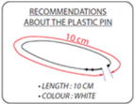
 |  | PLASTIC PIN
 |  | local sourcing | TO ATTACH THE HANGTAG |  |  | 1
 |  | TO BE CONFIRMED
 |  | 10CM, WHITE

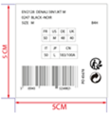 |  | BIG
 |  | GENCODE STICKER
 |  | local sourcing | STICKED AT BACK OF CORPORATE HANGTAG |  |  | 1

 |  | 5cm x 5cm

 |  | BRAND HANGTAG
 |  | EID_1_Corporate (EIDHT01 / Orli : 396031 ) | POSITION 1 |  |  | 1
 |  | Supplier:

 |  | ENGAGEMENT HANGTAG
 |  | EID_2_PFCFree (EIDHT025 / 396045 :) | POSITION 2 |  |  | 1
 |  | Supplier: Triple Star

 |  | ENGAGEMENT HANGTAG
 |  |  | POSITION 3 |  |  | 1
 |  | EID_2_LowImpact (EIDHT024 / 396070 :)
 |  | Supplier: Triple Star

 |  | FABRIC HANGTAG
 |  | EID_3_Defender10/10_FST (EIDHT0303 / 396050 : ) | POSITION 4 |  |  | 1
 |  | Supplier: Triple Star

 |  | EID_4_Eloft Ball (EIDHT043 / 396065 : ) | POSITION 5

 |  |  |  |  |  | 1

INNER JACKET
ZIPPERS
 |  | YKK
 |  | REVERSED ZIP
 |  | 5MM | FRONT OPENING FOR IAS SYSTEM |  |  | 1 | DARK NIGHT | BLUE MORPHO
 |  | REF SLIDER DALH

 |  | YKK
 |  | REVERSIBLE INJECTED ZIP
 |  | 5MM | FRONT OPENING FOR IAS SYSTEM |  |  | 1 | DARK NIGHT | BLUE MORPHO
 |  | REF SLIDER #DU

OTHER TRIMS
final length = 4cm
 |  | DRAWCORD
 |  | Ref: EIS15U-XMCO01 | CENTER FRONT OPENING
 |  | Supplier: YF Zipper |  |  |  | 1 | DARK NIGHT | BLUE MORPHO

 |  | NOT ELASTIC

 |  | ELASTIC WITH Y CONSTRUCTION | AT WAIST |  |  | 1 | INSIGNA BLUE | INSIGNA BLUE
 |  | REF WB107 |  |  |  |  | (SS18 LAFUMA color) | (SS18 LAFUMA color)
 |  | Supplier: WILSON

 |  | LYCRA BIAS UNICOLOR
 |  | Ref: A00A-L11133/20 | HAND POCKETS FINISHINGS |  |  | 2 | DARK NIGHT | BLUE MORPHO
 |  | Supplier: Wilson

LABELS
 |  | NEW RUBBER PLATE Ref: EIW18-14 Supplier : Clotex 35 MM x 35 MM | SEWN ON LEFT SHOULDER OF OUTSIDE JACKET |  |  | 1

 |  |  |  |  |  |  | BLUE MORPHO | DARK NIGHT

 |  | WOVEN HANGLOOP EIDER
 |  | Ref: EIW15-07 | INSIDE COLLAR |  |  | 1 | BLACK | BLACK
 |  | Supplier: SML |  |  |  |  | L1EIMWH04K#001 | L1EIMWH04K#001

 |  | MADE IN WOMEN TOP
 |  | MADE IN / WOMEN/ B | INSIDE COLLAR |  |  | 1 | BLACK | BLACK
 |  | L1EITPH00E
 |  | Supplier: SML

 |  | CANADIAN LABEL | INSIDE LEFT |  |  | 1 | WHITE | WHITE
 |  | FOR PADDING
 |  | LOCAL SOURCING

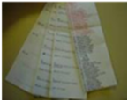
 |  | SATIN CARE LABEL |  |  |  |  | WHITE | WHITE
 |  | Ref Label 1: SMLCL1 | INSIDE LEFT |  |  | 1
 |  | Ref Label 2: SMLCL2
 |  | Ref Label 3: SMLCL3
 |  | Supplier: SML

ARTWORKS
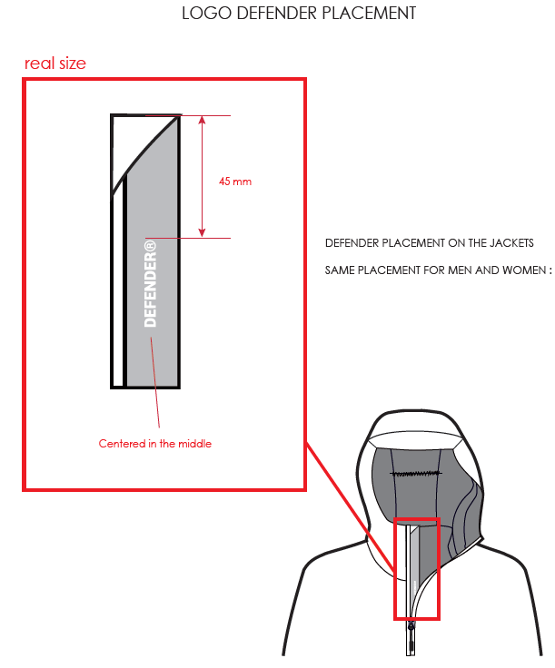
ARTWORKS

STYLE | BANFF 3 IN 1 JKT W | REF | EIV4439 | FABRIC | DEFENDER DISCOVERY + MOTLEY

RANGE | WIDE ANGLE SERIES | SEASON / SAISON | FW18/19 | SUPPLIER | PRIMA

EXAMPLE OF ZIPPER WITH DOUBLE PIPING AND VISIBLE ZIPPER TEETH
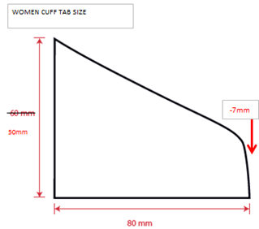

Defender Logo placement on stormflap :

REMARKS
REMARKS

STYLE |  | BANFF 3 IN 1 JKT W |  |  |  | REF | EIV4439 | FABRIC | DEFENDER DISCOVERY + MOTLEY

RANGE |  | WIDE ANGLE SERIES |  |  |  | SEASON | FW18/19 | SUPPLIER | PRIMA

DATE | MADE BY |  | COMMENTS

 |  |  | FW18/19

2017-05-31 | Sylvie |  | COMMENTS ON LAUNCHING

 |  |  | New style 3 IN 1.
 |  |  | New base REGULAR VD18H1 without waist darts, new 1/2 waist measure = 486.96 +3CM LENGTH
 |  |  | Outer jacket lines are similar to EIV4357 EDGE JKT 2.0 W

 |  |  | Inner jacket : please follow the size spec in sheet "INNER JKT"
 |  |  | 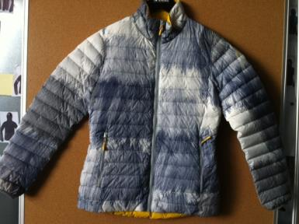 I also send you a FW1718 reference sample TWIN PEAKS JKT (see picture below) for inner jacket. It needs to ba adapted to correct design, but you can follow for volume. (the size spec for inner jkt are the ones for this jacket)

 |  |  | Please make 1st proto with correct fabrics

2017-06-20 | Rim |  | COMMENTS ON 1st PROTO

 |  |  | FABRICS

 |  |  | * Hood : must be more puffy so we will add more padding : we want a 60g padding on proto 2
 |  |  | * Bottom side of body : cancel the side cut and increase the shell 1 yoke
 |  |  | 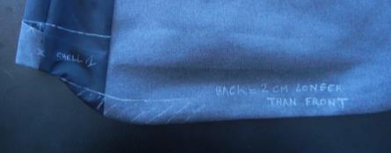

 |  |  | TRIMS & LABELS
 |  |  | * Defender Logo placement : confirmed on stormflap. check the artwork page for details

 |  |  | MEASUREMENTS
 |  |  | * Please respect better the SIZE SPEC especially for measures B, R, VB and VC / Refer to the SIZE SPEC for more details

 |  |  | WORKMANSHIP
 |  |  | 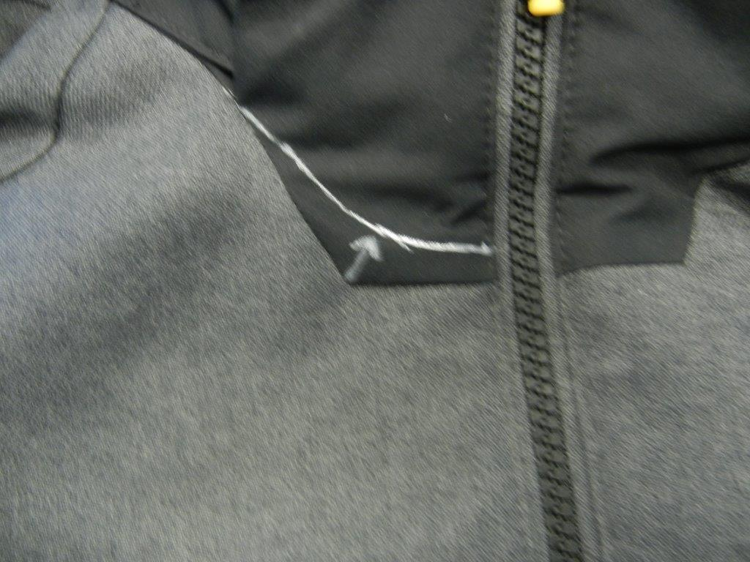 * Neckline : line was revised. Please respect it as you can see in the photo below :
 |  |  | 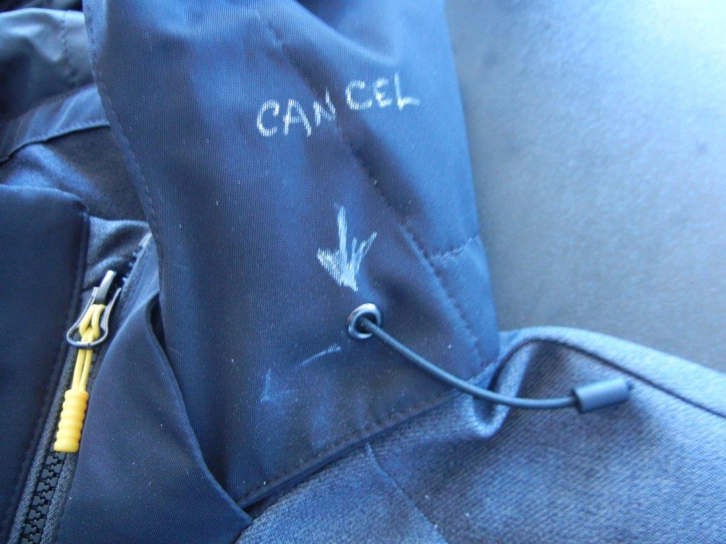 * Hood adjustments : to be cancelled / we will only have one point adjustment at back of hood. Check the photo below :
 |  |  | 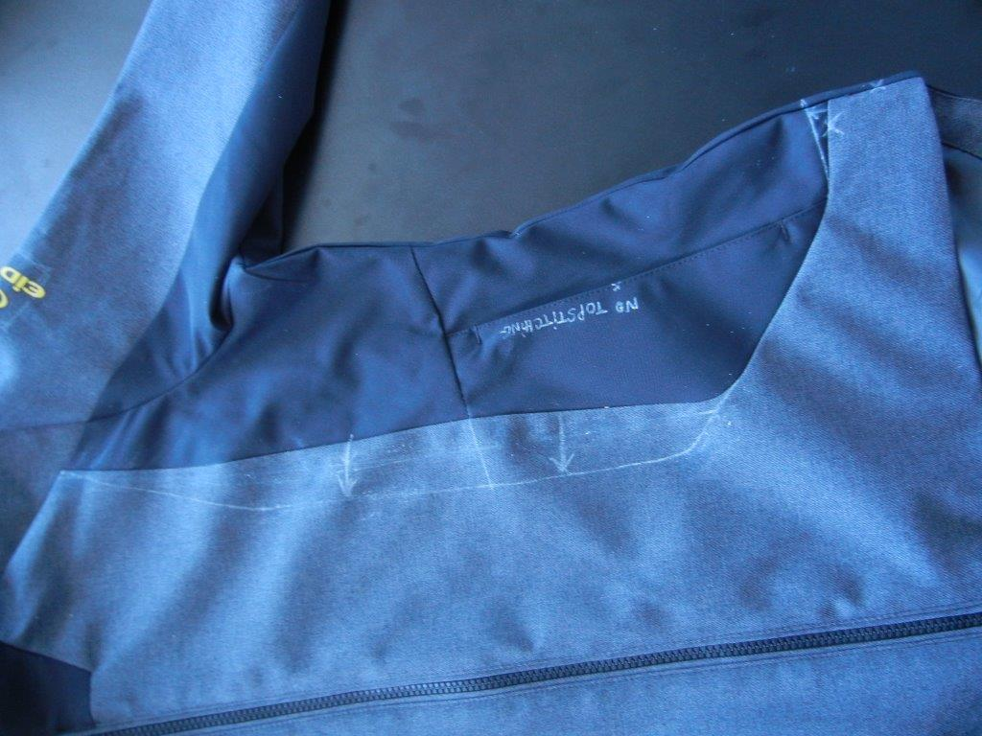 * Front cut out : was revised and retraced. Please follow the new lines as you can see on the photo below; Cancel the topstitching at pocket flap
 |  |  | 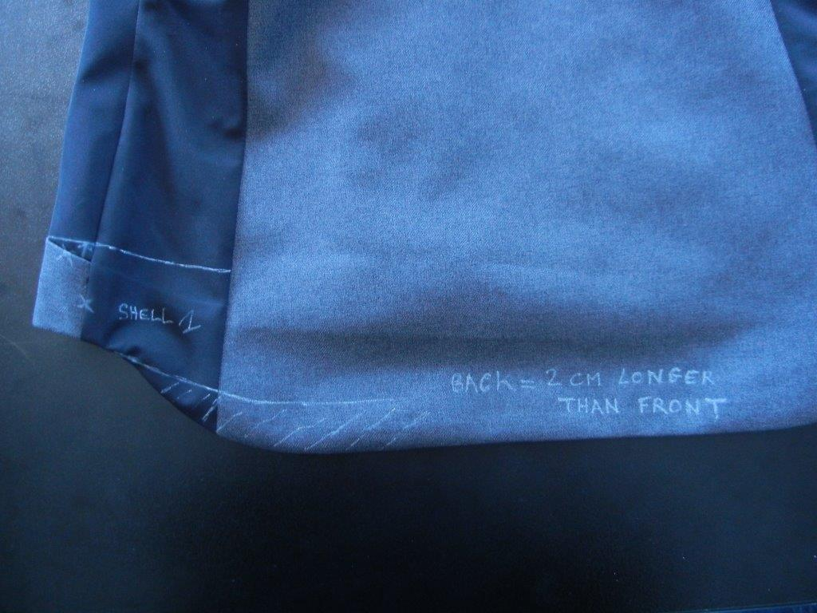 * The back length must be reduced to be only 2CM longer than the front. Check the photo below :
 |  |  | 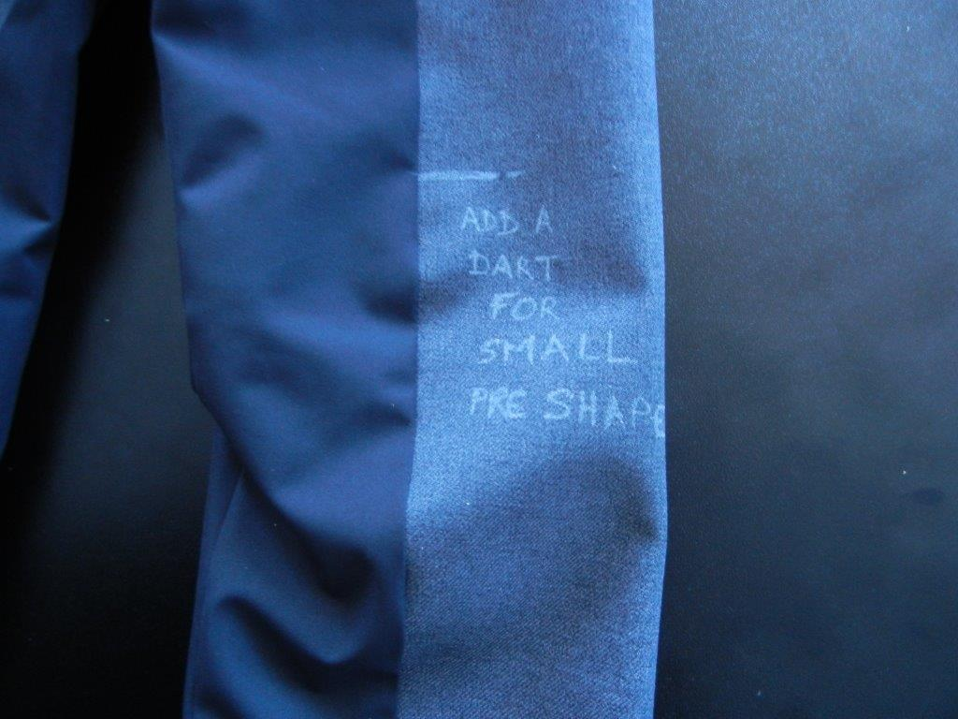 * Elbow : add a dart for a small preshape
 |  |  | 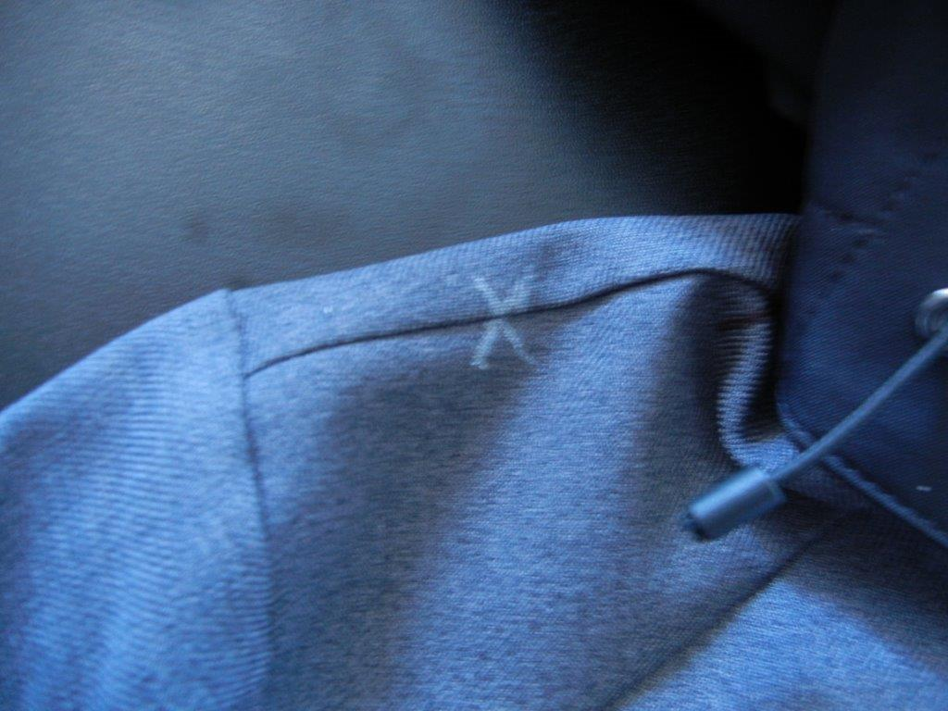 * Shoulder : shoulder seam is cancelled :
 |  |  | INNER JACKET
 |  |  | GOOD JOB !
 |  |  | * Padding in collar : make 2 times padding for a puffy effect
 |  |  | * Bottom of Sleeves : finishing will be a regular elastic inside the sleeve hem. please refer to sketch
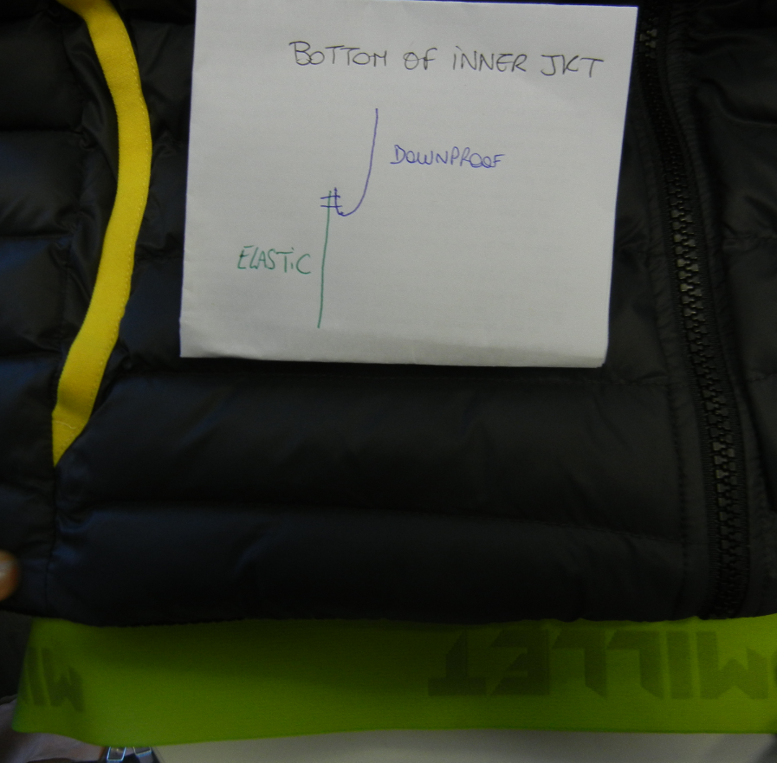
 |  |  | * Bottom of body : cancel the knitted rib and replace by a nominated elastic. I put a sample inside the pocket of proto 1 sent back to you today with the section for the assembling. Check the photo below :
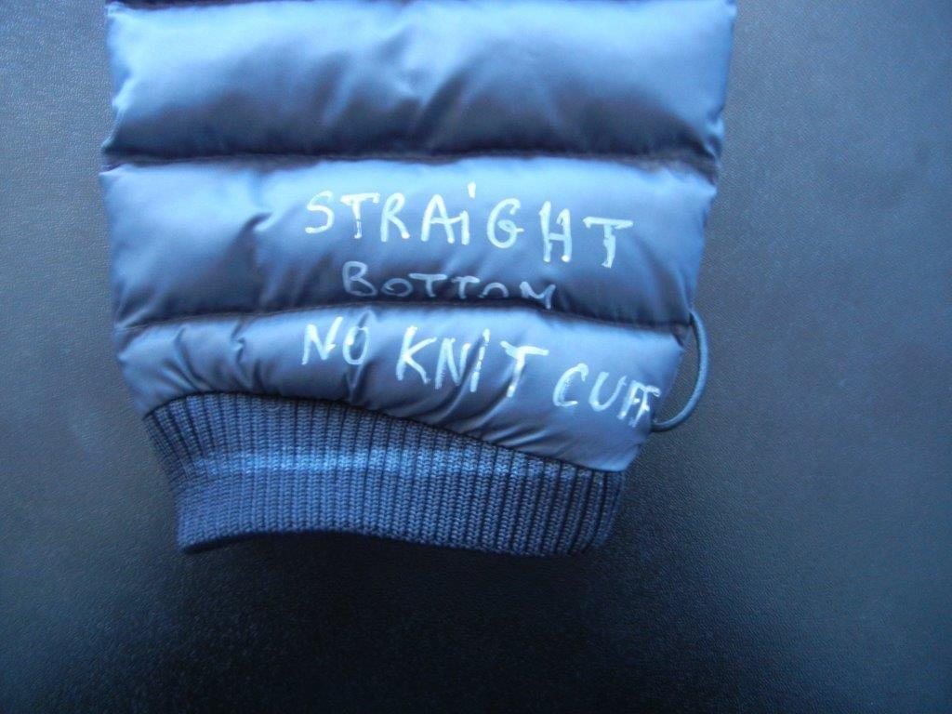
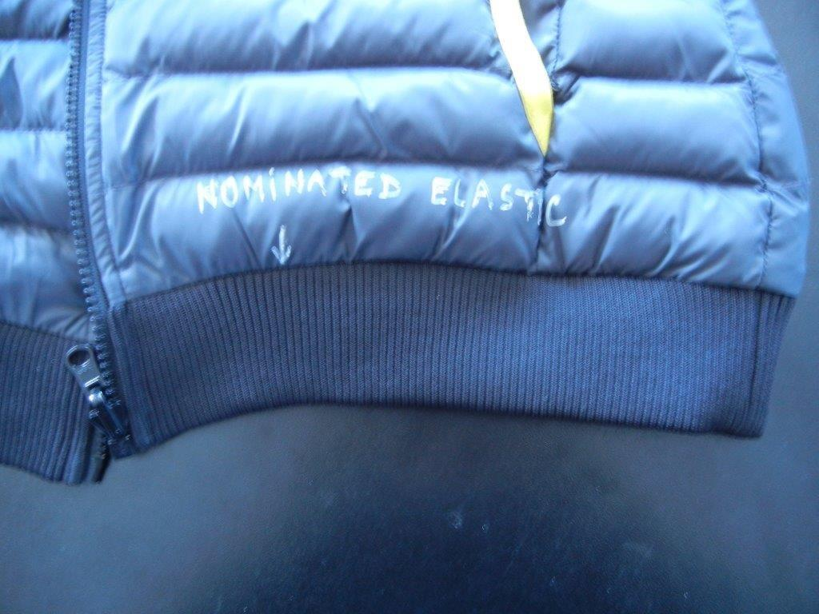

PICTURE FOR BOTTOM OF
SLEEVES FINISHING

 |  |  | FINISHING
 |  |  | * Bartacks : must be vertical not horizontal for a better aesthetic effect

 |  |  | CONCLUSION
 |  |  | * Please make the second proto in the correct fabrics and with the right lining

 |  |  | PLEASE GIVE US ALSO A QUOTATION WITH A THERMOPLUME PADDING FROM PRIMALOFT FOR INNER JACKET

2017-07-17 | Chiara |  | COMMENTS ON 1st PROTO / ASIA MEETING

 |  |  | TRIMS & LABELS
 |  |  | Big woven label :big woven label reference change. See the accessories page for the details.

2017-08-21 | Rim |  | COMMENTS ON PROTO 2
 |  |  | Outer jacket : changes are respected
 |  |  | Bottom elastic : ok for assembling / Pay attention to the new elastic reference. Please follow the accessories sheet
 |  |  | DEFENDER LOGO : missing on CF
 |  |  | outer zipper garage : must be in shell 2
 |  |  | inner jacket : nice job !

2017-09-08 | Rim |  | ANNECY MEETING + GENERAL Comments
 |  |  | * Only one bartack on the middle of hood tunnel
 |  |  | * We replaced the pearl EIS15U-XMPER01 by EIS15U-XMPER02
 |  |  | * Please make sur to follow the transfer/ fixing indications of the reflective sealon tape so it would be well fixed on the outside of shell fabric
 |  |  | * Please make sur that is fixed deep in the hood garage
 |  |  | 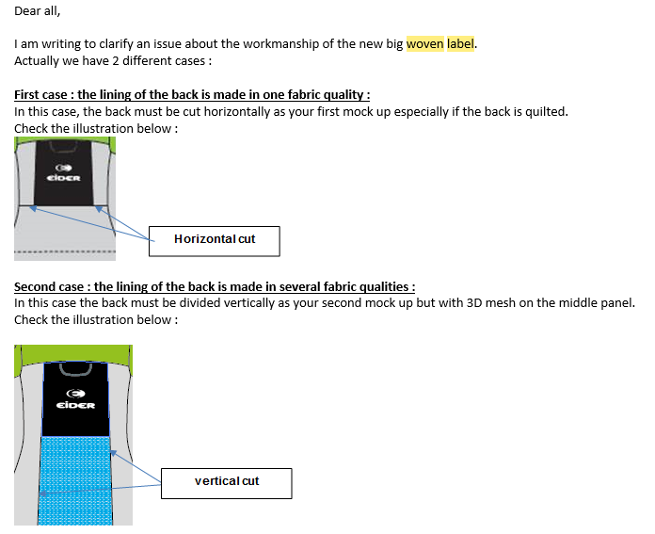 * Big woven label assembling : horizontal cut outs if we have only 1 fabric on middle back lining and vertical cut outs if we have 3D mesh on middle lining. Please refer to the email below that I sent you before :
 |  |  | * Bartacks : must be vertical not horizontal
 |  |  | * Please align the buttonhole on lining with rubber hole for earphones and make it larger so we can take out the earphones wire easily
 |  |  | * Please replace the pearl EIS15U-XMPER01 by the plastic pearl EIS15U-XMPER02
 |  |  | * New size for women's cuff flaps

 |  |  | CONCLUSION
 |  |  | OK SMS according to the comments above
2017-10-06 | Rim |  | We added a new XS size
2018-01-22 | RIM |  | Comments on SMS

 |  |  | BP0 CANCELLATION
 |  |  | 8626 | BLUE MORPHO | This color is cancelled for this style and won't be produced

 |  |  | FABRICS
 |  |  | DARK NIGHT version : inner puffed jacket must be in dark night now. Please respect the updated Fabrics sheet

 |  |  | TRIMS & LABELS
 |  |  | * New small rubber puller Ref. EIS19-05 on hand pockets
 |  |  | * Rubber plate on shoulder : we will use the same rubber plate for Men and Women for bulk. Same reference as the collection's small rubber plate ref. EIW18-14 with new quality/ white Eider logo on the inside now/ same background colors as latest version/ supplier : Clotex/ new dimensions : 3,5x3,5CM
 |  |  | * Woven label : is not correct on SMS. Please use the new big woven label on the inside of jacket. Refer to photo below
 |  |  | * Please use a draw string in dark night on back. Please respect the updated TF
 |  |  | * Inner jacket : the puller is replaced by the drawcord puller. Please respect the updated TF.
 |  |  | MEASURES
 |  |  | Please respect the updated Size Spec : we added 2CM on front and back lengths and 1/2 size in width

 |  |  | WORKMANSHIP
 |  |  | * Please distribute better the fake down isolation inside the body for a more uniform result
 |  |  | * The side cut outs must match. Please improve this point for bulk

 |  |  | FINISHING

 |  |  | CONCLUSION
 |  |  | Please send me 3 SSS in sizes XS M and L

2018-01-24 | RIM |  | ADDITIONAL Comment
 |  |  | Please cancel the NEW BIG WOVEN LABEL on outer jacket. Please respect the updated accessories sheet. Just keep the Eider Hangloop

INNER JACKET WOMEN PROTO
EIV | 4439 | STYLE | BANFF 3 IN 1 JKT W / INNER JKT |  | BASE | TWIN PEAKS JKT W |  |  | DATE | 2017-05-12
 | (內夾)

DESIGNATION
MEASUREMENTS IN CM |  |  |  |  | ALLOWANCES | Measures to follow for making 1st PROTO SIZE M | 2nd PROTO sample received the : | Comments asked the : | SALESMAN SAMPLE 銷售樣尺寸 | Comments asked the : 需求尺寸 | 尺寸 差異:
B | FRONT BREADTH AT 15CM FROM SHOULDER |  |  | 上胸寬 (領肩點下12cm) | +/- 0,5 cm
C | 1/2 CHEST ROUND |  |  | 1/2胸圍 (腋點) | +/- 1 cm | 52.0 | 52 |  | 51.5 | 52.0 | -0.5
D | 1/2 WAIST ROUND AT 42CM FROM SHOULDER |  |  | 1/2腰圍(HPS以下42cm) | +/- 1 cm | 45.0 | 45 |  |  | 45.0
MEASURE TO DEFINE
IA | 1/2 BOTTOM RELAXED ROUND |  |  | 1/2下襬(平量) | +/- 1 cm |  | 43 |  | 43
IA' | 1/2 BOTTOM STRETCH ROUND |  |  | 1/2下襬(拉量) | +/- 1 cm
JA | LENGTH FROM HPS TO BOTTOM |  |  | 前身長(領肩點量) | +/- 1 cm |  | 59
JB | CENTER FRONT LENGTH |  |  | 前身長(前中量) | +/- 1 cm |  | 53 |  | 53
KA | SHOULDER LENGTH |  |  | 單肩寬 | +/- 0,5 cm
LA | 1/2 UPPER ARM WIDTH |  |  | 1/2袖寬(腋點垂直量) | +/- 0,5 cm | 21.1 | 21 |  |  | 21.1
LB | 1/2 ELBOW WIDTH AT 27 CM FROM SLEEVE-END |  |  | 1/2肘寬(袖口以上27cm) | +/- 0,5 cm | 16.1 | 16.2 |  |  | 16.1
LC | 1/2 CUFF WIDTH |  |  | 1/2袖口寬(平量) | +/- 0,5 cm | 8.1 | 8 |  |  | 8.1
LC' | 1/2 CUFF WIDTH STRETCHED |  |  | 1/2袖口寬(拉量) | +/- 0,5 cm | 13.1 | 13 |  |  | 13.1
N | TOTAL SLEEVE LENGTH CUFF + SHOULDER INCLUDED |  |  | 袖長(肩點至袖口) | +/- 1 cm |  | 70 |  | 70
BACK JACKET MEASUREMENTS (IN CM)
R | BACK BREADTH AT 15CM FROM SHOULDER |  |  | 上背寬(領肩點下15cm) | +/- 0,5 cm
S | CENTER BACK LENGTH |  |  | 後身長(後中量) | +/- 1 cm |  | 55 |  | 55
COLLAR MEASUREMENTS (IN CM)
UA2 | FRONT NECKLINE DEPTH |  |  | 前領深 | +/- 1 cm | 9.1 |  |  |  | 9.1
UB1 | INNER NECKLINE LENGTH |  |  | 領圍(不含拉鍊) | +/- 1 cm
UB2 | COLLAR LENGTH AT THE TOP EDGE |  |  | 上領圍(不含拉鍊) | +/- 1 cm | 45.9 |  |  | 43 | Must be 45,9CM Please respect the size spec | -2.9
UC1 | COLLAR HEIGHT AT CENTER BACK |  |  | 後領高(後中量) | +/- 0,5 cm | 8.0 | 8 |  |  | 8.0
UC3 | COLLAR HEIGHT AT MIDDLE FRONT |  |  | 前領高(前中量) | +/- 0,5 cm |  | 5

W INNER JACKET ALPHA SIZE SPEC
 |  |  | WOMEN JACKET ALPHABETICAL SIZE SPEC
EIV | 4439 | STYLE |  |  | BASE |  |  |  |  | SAISON |  |  | DATE
 | (內夾)

 | DESIGNATION
 | MEASUREMENTS IN CM |  |  |  | ALLOWANCES | XS | S | M | L | XL | 2XL
 | FRONT JACKET MEASUREMENTS (IN CM)
 | B | FRONT BREADTH AT 15CM FROM SHOULDER |  | 上胸寬 (領肩點下12cm) | +/- 0,5 cm | -3.6 | -1.8 |  | 1.8 | 3.6 | 5.4
 | C | 1/2 CHEST ROUND |  | 1/2胸圍 (腋點) | +/- 1 cm | 46.0 | 49.0 | 52.0 | 55.0 | 58.0 | 61.0
 | D | 1/2 WAIST ROUND AT 42CM FROM SHOULDER |  | 1/2腰圍(HPS以下42cm) | +/- 1 cm | 39.0 | 42.0 | 45.0 | 48.0 | 51.0 | 54.0
MEASURE TO DEFINE
 | IA | 1/2 BOTTOM RELAXED ROUND |  | 1/2下襬(平量) | +/- 1 cm | -6.0 | -3.0 |  | 3.0 | 6.0 | 9.0
 | IA' | 1/2 BOTTOM STRETCH ROUND |  | 1/2下襬(拉量) | +/- 1 cm | -6.0 | -3.0 |  | 3.0 | 6.0 | 9.0
 | JA | LENGTH FROM HPS TO BOTTOM |  | 前身長(領肩點量) | +/- 1 cm | -2.0 | 0.0 |  | 0.0 | 2.0 | 4.0
 | JB | CENTER FRONT LENGTH |  | 前身長(前中量) | +/- 1 cm | -2.0 | 0.0 |  | 0.0 | 2.0 | 4.0
 | KA | SHOULDER LENGTH |  | 單肩寬 | +/- 0,5 cm | -0.9 | -0.5 |  | 0.5 | 0.9 | 1.4
 | LA | 1/2 UPPER ARM WIDTH |  | 1/2袖寬(腋點垂直量) | +/- 0,5 cm | 19.1 | 20.1 | 21.1 | 22.1 | 23.1 | 24.1
 | LB | 1/2 ELBOW WIDTH AT 27 CM FROM SLEEVE-END |  | 1/2肘寬(袖口以上27cm) | +/- 0,5 cm | 14.6 | 15.4 | 16.1 | 16.9 | 17.6 | 18.4
 | LC | 1/2 CUFF WIDTH |  | 1/2袖口寬(平量) | +/- 0,5 cm | 6.9 | 7.5 | 8.1 | 8.7 | 9.3 | 9.9
 | LC' | 1/2 CUFF WIDTH STRETCHED |  | 1/2袖口寬(拉量) | +/- 0,5 cm | 11.9 | 12.5 | 13.1 | 13.7 | 14.3 | 14.9
 | N | TOTAL SLEEVE LENGTH CUFF + SHOULDER INCLUDED |  | 袖長(肩點至袖口) | +/- 1 cm | -2.5 | -1.3 |  | 1.3 | 2.5 | 3.8
 | BACK JACKET MEASUREMENTS (IN CM)
 | R | BACK BREADTH AT 15CM FROM SHOULDER |  | 上背寬(領肩點下12cm) | +/- 0,5 cm | -3.6 | -1.8 |  | 1.8 | 3.6 | 5.4
 | S | CENTER BACK LENGTH |  | 後身長(後中量) | +/- 1 cm | -2.0 | 0.0 |  | 0.0 | 2.0 | 4.0
 | COLLAR MEASUREMENTS (IN CM)
 | UA2 | FRONT NECKLINE DEPTH |  | 前領深 | +/- 1 cm | 9.1 | 9.1 | 9.1 | 0.0 | 0.0 | 0.0
 | UB1 | INNER NECKLINE LENGTH |  | 領圍(不含拉鍊) | +/- 1 cm | -3.0 | -1.5 |  | 1.5 | 3.0 | 4.5
 | UB2 | COLLAR LENGTH AT THE TOP EDGE |  | 上領圍(不含拉鍊) | +/- 1 cm | #VALUE! | #VALUE! | Must be 45,9CM Please respect the size spec | #VALUE! | #VALUE! | #VALUE!
 | UC1 | COLLAR HEIGHT AT CENTER BACK |  | 後領高(後中量) | +/- 0,5 cm | 8.0 | 8.0 | 8.0 | 8.0 | 8.0 | 8.0
 | UC3 | COLLAR HEIGHT AT MIDDLE FRONT |  | 前領高(前中量) | +/- 0,5 cm | 0.0 | 0.0 |  | 0.0 | 0.0 | 0.0

 |  |  |  | 門襟拉鍊長: |  |  |  |  |  |  |  | cm

JACKET SKETCH MEASUREMENTS
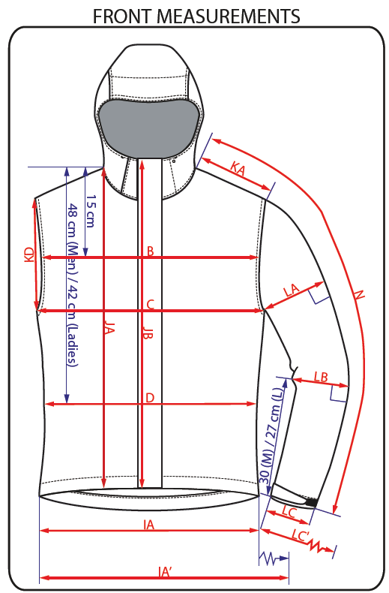
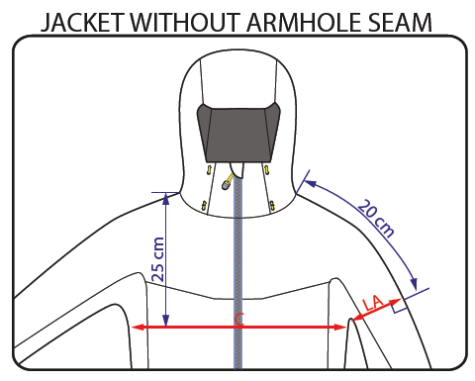
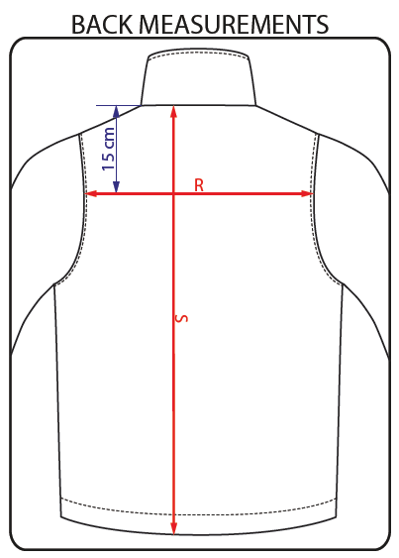
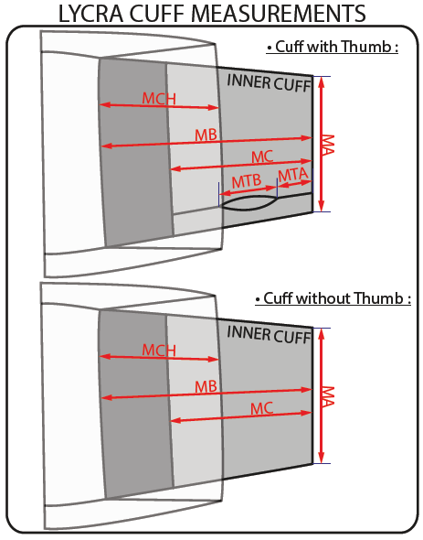
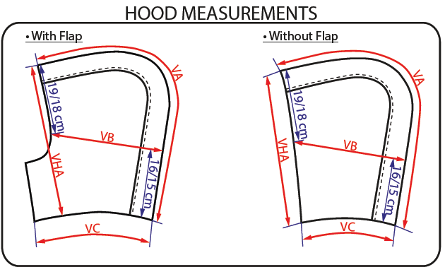
JACKET SKETCH MEASUREMENTS

